index.html
Body | div class=app-container | header class=app-header | Background | sunrise |  |  |  |  |  |  |  |  |  | Class Name | Parent Section
 |  |  |  | clouds
 |  |  | Supreme Soul Light
 |  |  | Meditation Silhouette |  |  |  |  | Header
 |  |  | Mobile Menu Button
 |  |  | Logo
 |  |  | Navigation
 |  |  | Om Shanti Badge
 |  | div class=app-body | aside class=app-sidebar | Search Box |  |  |  |  | aside class=app-sidebar | main class=app-content
 |  |  |  | File List
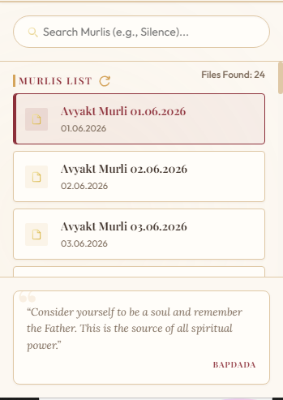
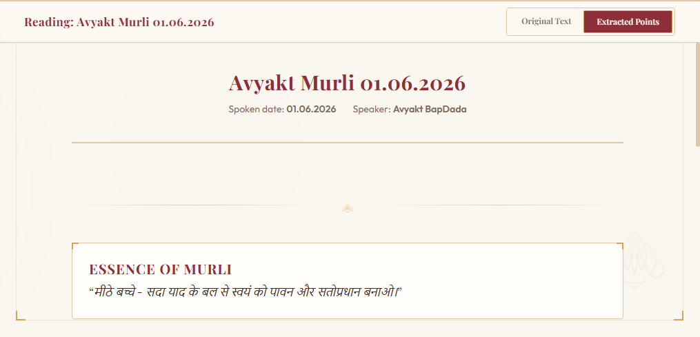
 |  |  |  | Quote Card
 |  |  | main class=app-content | Decoration
 |  |  |  | Frame
 |  |  |  | Toolbar
 |  |  |  | Viewport

Header |  |  | aside class=app-sidebar |  |  | main class=app-content

header.css ← Main header styling |  |  | sidebar.css ← Entire sidebar |  |  | content.css ← Reader area
decorations.css ← Clouds, glow, sunrise, light |  |  | cards.css ← File cards |  |  | cards.css ← Murli cards
buttons.css ← Om Shanti button |  |  | buttons.css ← Reload button |  |  | buttons.css ← Toggle buttons
layout.css ← Header positioning |  |  | layout.css ← Sidebar width |  |  | decorations.css ← Sacred frame
responsive.css ← Mobile layout |  |  | responsive.css ← Mobile sidebar |  |  | layout.css
variables.css ← Colors, spacing |  |  | variables.css |  |  | responsive.css
 |  |  |  |  |  | variables.css

main.js |  |  | main.js |  |  | main.js
navigation |  |  | loadFiles() |  |  | loadMurli()
mobile menu |  |  | search() |  |  | showOriginal()
 |  |  | populateSidebar() |  |  | showExtracted()
 |  |  | selectFile() |  |  | renderMurli()
 |  |  |  |  |  | renderSummary()

app-header |  | Header | app-sidebar |  | Sidebar | app-content | Main Content |  |  |  |  |  |  | app-container | Application
header-meditation-bg |  | Header | glow-ambience |  | Shared Decoration | glow-shiva-red | Main Content
sunrise-sky |  | Header | glow-amber |  | Sidebar | sacred-frame | Main Content
cloud-layer |  | Header | sidebar-search-container |  | Sidebar | corner-decorator | Main Content |  |  |  | Level | Parent Module | HTML Element | Class | CSS File | JS File | Purpose
cloud-1 |  | Header | search-box-wrapper |  | Sidebar | corner-top-left | Main Content |  |  |  | 1 | Application | div | app-container | layout.css | main.js | Root application container
cloud-2 |  | Header | search-input |  | Sidebar | corner-top-right | Main Content |  |  |  | 2 | Header | header | app-header | header.css | — | Top navigation
supreme-soul-light |  | Header | search-icon |  | Sidebar | corner-bottom-left | Main Content |  |  |  | 3 | Header | div | logo-container | header.css | — | Branding
header-yogi-silhouette |  | Header | sidebar-nav-container |  | Sidebar | corner-bottom-right | Main Content |  |  |  | 3 | Sidebar | aside | app-sidebar | sidebar.css | main.js | Navigation panel
yogi-svg |  | Header | sidebar-section-title |  | Sidebar | content-toolbar | Main Content |  |  |  | 3 | Main Content | main | app-content | content.css | main.js | Reader area
btn-icon |  | Header | file-list-menu |  | Sidebar | toolbar-title | Main Content
logo-container |  | Header | sidebar-quote-container |  | Sidebar | toolbar-controls | Main Content
logo-icon |  | Header | sidebar-quote-card |  | Sidebar | btn-toggle | Main Content
logo-title-group |  | Header | sidebar-quote-text |  | Sidebar | toggle-option | Main Content
logo-title |  | Header | sidebar-quote-author |  | Sidebar | active | Main Content
logo-subtitle |  | Header |  |  |  | content-viewport | Main Content
header-nav |  | Header
om-shanti-badge |  | Header

 |  |  |  |  |  |  |  |  |  |  |  |  |  | app-body | Layout

